RNA datasets
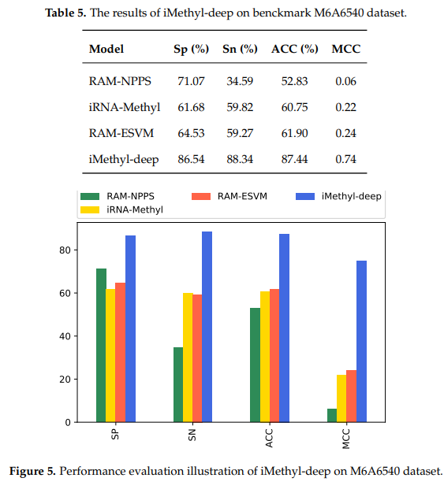
Saccharomyces cerevisiae (S51)
Source paper | W. Chen, H. Tran, Z. Liang, H. Lin and L. Zhang, "Identification and analysis of the N6-methyladenosine in the saccharomyces cerevisiae transcriptome", Sci. Rep., vol. 5, no. 1, pp. 13859, Nov. 2015.
Download link | http://lin.uestc.edu.cn/server/m6Apred.php
Organism | Saccharomyces cerevisiae
Level | RNA
Length | 51 bp
Positive data | 1307
Negative data | 1307
DL paper used this data | P1 | iN6-Methyl | 2019-07-26 |  | P1
 | P3 | pm6A-CNN | 2020-07-17 |  |  | It can be observed that H41 and M41 have AUC of 90.30% and 91.33%, receptively. while the AUC of S51 is 80.31%.
 | P6 | iMethyl-Deep | 2020-05-09

 |  |  |  |  | P3
 |  |  |  |  |  | AUC (H.sapiens 0.96, M.musculus 0.97, S.cerevisiae 0.92, A.thanliana 0.97

 |  |  |  |  | P6
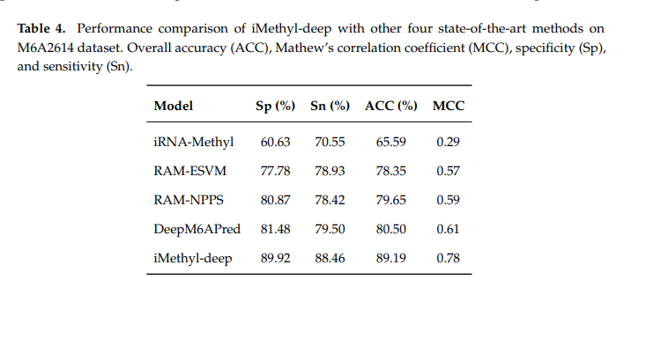

Saccharomyces cerevisiae (S51)
Source paper | Zhu, X.; He, J.; Zhao, S.; Tao, W.; Xiong, Y.; Bi, S. A comprehensive comparison and analysis of computational predictors for RNA N6-methyladenosine sites of Saccharomyces cerevisiae. B
Download link | https://github.com/abdul-bioinfo/iMethyl-deep
Organism | Saccharomyces cerevisiae
Level | RNA
Length | 51 bp
Positive data | 3270
Negative data | 3270
DL paper used this data | P6 | iMethyl-Deep | 2020-05-09 | P6

